MEDR-PTS
MONTHLY ENFORCEMENT DATA REPORT (MEDR) FORM FOR POLICE TRAFFIC SERVICES ENFORCEMENT PROJECTS
Grant #: |  |  |  | Agency: |  |  |  |  |  |  | Month: |  |  | Year:

Officer's Name:

 | Grant-Funded Officers' Traffic Offenses and Criminal Charges
 | Traffic Offenses |  |  |  |  |  |  |  |  |  | Criminal Charges |  |  |  | Total Charges

 | DUI |  | Safety Belt | Child Safety Seat | Speeding | Uninsured Motorists | DUS | No DL | Other Traffic Violations Not Listed | Total Traffic | Drug Arrests | Firearm Charges | Criminal Charges Not Listed | Total Criminal Charges | Traffic and Criminal

 | 0 |  | 0 | 0 | 0 | 0 | 0 | 0 | 0 | 0 | 0 | 0 | 0 | 0 | 0

Number of Fugitives Arrested |  | 0 |  |  |  | Number of Public Contacts/Warnings
Number of Stolen Vehicles Recovered |  | 0 |  |  |  | Number of Press Releases/Social Media Posts/Other Public Announcements
Number of Officers on Project |  | 0

 |  |  |  |  |  | Number of Education/Outreach Activities
 |  |  |  |  |  | Number reached during Education/Outreach Activities

Project Hours Worked |  |  |  |  |  |  |  |  | Certification by Project Director
Enforcement | 0 |  | Checkpoints |  |  |  |  |  | Under penalties of perjury I certify this is a true and accurate statement of the information submitted above:
Checkpoints | 0 |  | Single Agency
Edu/Outreach | 0 |  | Multi-agency |  |  |  |  |  | Project Director Printed Name:
Court | 0 |  | LEN- sponsored |  |  |  |  |  | Project Director Signature:
*Training Hours | 0 |  |  |  |  |  |  |  | Date Submitted: |  |  | ___________________
LEN Meeting Attendance | 0
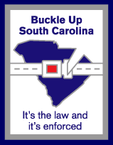

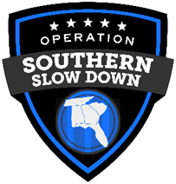
TOTAL | 0 |  |  |  |  |  |  |  | * Training Approval Form is required.
 |  |  |  |  |  |  |  |  | Submit approved Training Approval Form for all hours listed under training hours

 |  |  |  |  |  |  |  |  |  |  |  |  |  |  |  | Rev. 9/23

